Lab - Assignment Problem
Problem:
The ACC has four basketball games on a particular night. The conference wants to assign four teams of officials to the four games in a way that will minimize the total distance traveled by the officials. The supply is always one team of officials, and the demand is for only one team of officials at each game. The distances in miles for each team of officials to each game location are shown in the table below.
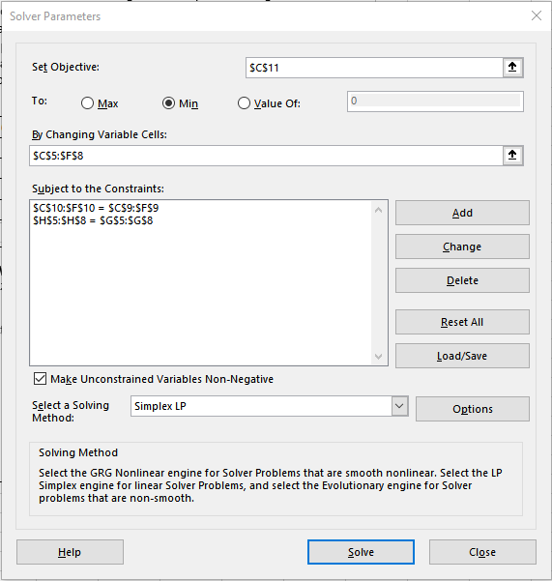
The ACC Basketball Example

 |  | Game Sites |  |  |  | Teams | Teams
Officials Team |  | Raleigh | Atlanta | Durham | Clemson | Available | Assigned
 | A | 0 | 0 | 0 | 1 | 1 | 1
 | B | 0 | 1 | 0 | 0 | 1 | 1
 | C | 0 | 0 | 1 | 0 | 1 | 1
 | D | 1 | 0 | 0 | 0 | 1 | 1
Teams Demanded |  | 1 | 1 | 1 | 1 | 4 | 4
Teams Assigned |  | 1 | 1 | 1 | 1
Total Mileage = |  | 450

Math Model:
minimize Z = 210x_{AR} + 90x_{AA} + 180x_{AD} + 160x_{AC} + 100x_{BR} + 70x_{BA} + 130x_{BD} + 200x_{BC}
+ 175x_{CR} + 105x_{CA} + 140x_{CD} + 170x_{CC} + 80x_{DR} + 65x_{DA} + 105x_{DD} + 120x_{DC}
subject to
x_{AR} + x_{AA} + x_{AD} + x_{AC} = 1
x_{BR} + x_{BA} + x_{BD} + x_{BC} = 1
x_{CR} + x_{CA} + x_{CD} + x_{CC} = 1
x_{DR} + x_{DA} + x_{DD} + x_{DC} = 1
x_{AR} + x_{BR} + x_{CR} + x_{DR} = 1
x_{AA} + x_{BA} + x_{CA} + x_{DA} = 1
x_{AD} + x_{BD} + x_{CD} + x_{DD} = 1
x_{AC} + x_{BC} + x_{CC} + x_{DC} = 1
x_{ij} > = 0
Mileage:
 |  | Game Sites
Officials Team |  | Raleigh | Atlanta | Durham | Clemson
 | A | 210 | 90 | 180 | 160
 | B | 100 | 70 | 130 | 200
 | C | 175 | 105 | 140 | 170
 | D | 80 | 65 | 105 | 120

Your Lab Challenge:
You have demonstrated that you can frame and solve this business problem into optimization problem for a small protoype of just 4 official teams and 4 basketball teams. However, the ACC league has 15 total teams and 20 official teams, which would be a possible combination of 300 decision variables! That means you could not solve the problem in Excel because it could handle 200 decision variables at most. Formulate and solve this problem using lpSolve() or Gurobi. Once you have that working, you could come back in the future and solve the actual problem once you obtained the distance values for the other teams/officials. You can check your answer using this Excel model. Note: There are multiple alternative solutions for this particular problem, BUT your objective function value of 450 miles is the best.

